Results
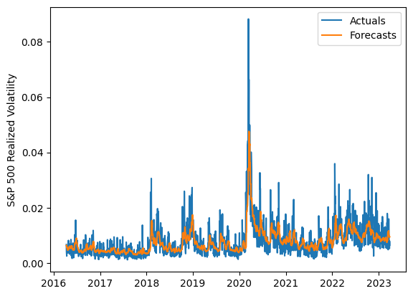
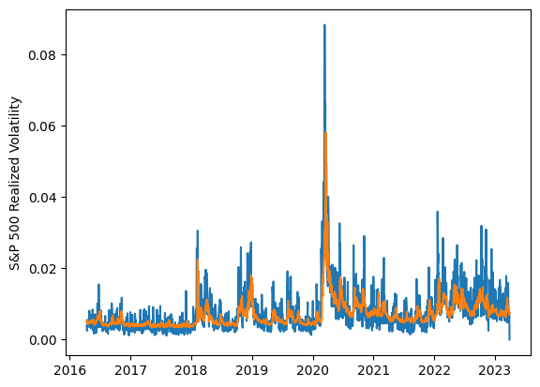
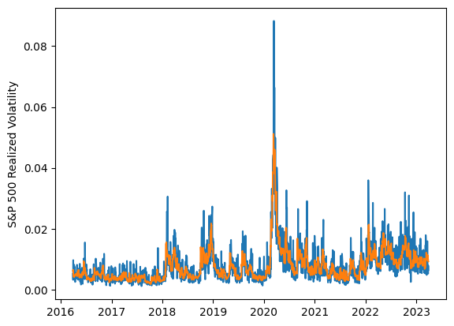
 | LSTM |  |  | TCN |  |  | NBEATSx |  |  |  |  | LSTM |  |  | TCN |  |  | NBEATSx
 | Accuracy | RMSE | Qlike | Accuracy | RMSE | Qlike | Accuracy | RMSE | Qlike |  |  | Accuracy | RMSE | Qlike | Accuracy | RMSE | Qlike | Accuracy | RMSE | Qlike
Trial 1 | 57.94% | 0.277% | 0.118 | 59.05% | 0.278% | 0.116 | 64.26% | 0.249% | 0.088 |  | Mean | 56.72% | 0.280% | 0.122 | 58.52% | 0.280% | 0.117 | 64.14% | 0.252% | 0.091
Trial 2 | 55.66% | 0.281% | 0.126 | 60.45% | 0.271% | 0.108 | 62.43% | 0.257% | 0.093 |  | Standard Deviation | 4.06% | 0.012% | 0.015 | 1.81% | 0.006% | 0.006 | 0.64% | 0.003% | 0.003
Trial 3 | 54.93% | 0.281% | 0.128 | 58.48% | 0.293% | 0.123 | 63.73% | 0.254% | 0.095 |  | 95% CI upper bound | 64.84% | 0.303% | 0.152 | 62.13% | 0.292% | 0.129 | 65.43% | 0.258% | 0.098
Trial 4 | 58.84% | 0.273% | 0.114 | 58.13% | 0.278% | 0.117 | 64.31% | 0.253% | 0.093 |  | 95% CI lower bound | 48.61% | 0.257% | 0.092 | 54.90% | 0.269% | 0.105 | 62.86% | 0.245% | 0.085
Trial 5 | 52.86% | 0.288% | 0.136 | 59.01% | 0.276% | 0.114 | 63.99% | 0.254% | 0.093 |  | 99.7% CI upper bound | 68.90% | 0.315% | 0.167 | 63.94% | 0.297% | 0.135 | 66.07% | 0.262% | 0.102
Trial 6 | 59.12% | 0.274% | 0.113 | 61.39% | 0.278% | 0.108 | 64.14% | 0.255% | 0.095 |  | 99.7% CI lower bound | 44.55% | 0.245% | 0.077 | 53.09% | 0.263% | 0.099 | 62.22% | 0.242% | 0.081
Trial 7 | 50.23% | 0.296% | 0.145 | 55.74% | 0.284% | 0.124 | 63.40% | 0.254% | 0.092
Trial 8 | 58.74% | 0.273% | 0.114 | 57.51% | 0.282% | 0.122 | 64.13% | 0.255% | 0.093
Trial 9 | 57.42% | 0.278% | 0.119 | 59.02% | 0.275% | 0.114 | 64.05% | 0.256% | 0.097
Trial 10 | 56.33% | 0.279% | 0.122 | 58.61% | 0.278% | 0.117 | 64.46% | 0.247% | 0.085
Trial 11 | 60.98% | 0.273% | 0.108 | 55.70% | 0.285% | 0.126 | 64.15% | 0.251% | 0.090
Trial 12 | 60.81% | 0.270% | 0.107 | 59.17% | 0.275% | 0.114 | 65.25% | 0.248% | 0.088
Trial 13 | 61.66% | 0.271% | 0.105 | 56.07% | 0.281% | 0.126 | 64.48% | 0.249% | 0.090
Trial 14 | 58.20% | 0.274% | 0.117 | 61.57% | 0.288% | 0.112 | 64.68% | 0.247% | 0.087
Trial 15 | 47.15% | 0.313% | 0.159 | 57.83% | 0.282% | 0.120 | 64.68% | 0.251% | 0.092

 | LSTM (best trial) |  |  |  |  |  |  |  |  | TCN (best trial) |  |  |  |  |  |  |  |  | NBEATSx (best trial)

